ToDo
Do a Vlookup of Scores from "submitted responses" sheet to "form responses" sheet

Create a Pivot table to display average scores wrt "I am an Aspiring " field for enrolled students

Create a Pivot table for displaying degree and there average scores for only those who submitted test

Is the last average calculated right ?

Create a new sheet named "QuestionWiseScores" in Excel where each student's answers are evaluated with 1 mark for a correct answer and 0 for a wrong answer (refer ss below)

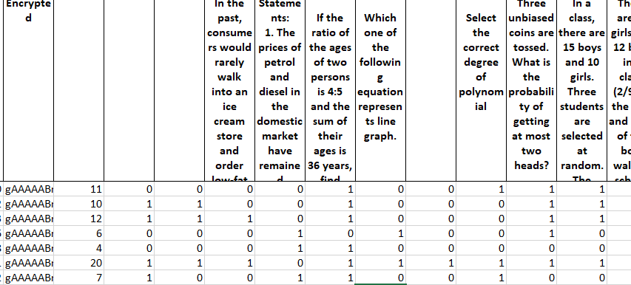

Recalculate Question Wise Score considering 1 mark for right answer and -1 for wrong answer and 0 for empty

Find out average score topic wise

Pivot table 1
Scores | (Multiple Items) | Row Labels | Average of Scores
 |  | Data Analyst | 10.4
Row Labels | Average of Scores | Data Scientist | 11.9
Data Analyst | 10.4 | Intrested to learn | 11
Data Scientist | 11.9 | Not Decided Yet | 12.428571429
Intrested to learn | 11
Not Decided Yet | 12.428571429
Grand Total | 11.578947368

Pivot table 2
Scores | (Multiple Items) | Degree | Average of Scores
 |  | B.E | 12
Row Labels | Average of Scores | B.E. | 11
B.E | 12 | B.Sc | 12
B.E. | 11 | BCA | 9.3333333333
B.Sc | 12 | Bcom | 8
BCA | 9.3333333333 | BE | 20
Bcom | 8 | BTech | 12.095238095
BE | 20 | Executive PG (current) | 13
BTech | 12.095238095 | Integrated MSc | 20
Executive PG (current) | 13 | M.Sc | 7
Integrated MSc | 20 | M.Sc statistics | 8
M.Sc | 7 | MCA | 8.6666666667
M.Sc statistics | 8 | MPH | 9
MCA | 8.6666666667 | PhD | 12
MPH | 9
PhD | 12
Grand Total | 11.578947368

